AT
Around Town

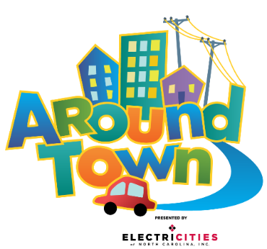
 | Stay & Spray |  |  |  |  | Monday
 | • Spray all touchable hard surfaces and props. Lifting props when necessary to spray all sides. • Start in the grocery and kitchen areas • Spray items in bins, shuffle around, spray again • Leave spray to sit for 10 minutes to disinfect properly. • Restage props and wipe damp areas as needed. |  |  |  |  | #NAME?

 |  |  |  |  |  | Tuesday
 |  |  |  |  |  | #NAME?

 |  |  |  |  |  | Wednesday
 |  |  |  |  |  | #NAME?
Scan QR code for schedule:
 |  |  |  |  |  | Thursday
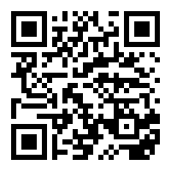
 |  |  |  |  |  | #NAME?

 |  |  |  |  |  | Friday
 |  |  |  |  |  | #NAME?

 |  |  |  |  |  | Saturday & Sunday
 |  |  |  |  |  | #NAME?

Pull & Swap
• Collect soft props & costumes in laundry baskets (leave hard props staged for spray) - All costumes & aprons - All plush animals & cushions - On the Farm hay bales - Ready Set School nugget couch - All fabric props- baby blanks, onesies, diapers and bandages • Reset and stage clean props. • Park cart full of dirty things along rail to pit in Beehive.

 |  | Area | Dishwasher Pull list | Day | Dishwasher Tray
 |  | Pet Vet | Food Bowls | Sunday | Pronged
 |  |  | Syringes | Sunday | Flat
 |  |  | Tweezers | Sunday | Flat
 |  |  | Combs | Sunday | Flat
 |  | Ambulance | Babies | Sunday | Flat
 |  | RSS | Light Table Pieces | Sunday | Flat
 |  |  | Sensory Table Pieces | Sunday | Flat
 |  | Kitchen | Plates | Sunday | Pronged
 |  |  | Cutting Boards | Sunday | Pronged
 |  |  | Ice Cube Trays | Sunday | Pronged
 |  |  | Cooking Sheets | Sunday | Pronged
 |  |  | Cooking Untensils | Sunday | Flat
 |  |  | Pots/Pans | Sunday | Flat
 |  |  | Bowls | Sunday | Flat
 |  |  | Flour/Sugar bins | Sunday | Flat
 |  | Grocery Store | Plastic Protiens | Sunday | Flat
 |  |  | Plastic Veggies | Sunday | Flat
 |  |  | Plastic Grains | Sunday | Flat
 |  |  | Plastic Fruits | Sunday | Flat
 |  | On the Farm | Scoops | Sunday | Flat
 |  |  | Eggs | Sunday | Flat
 |  |  | Red Combs | Sunday | Flat
 |  |  | Mini Farm Animals | Sunday | Flat

TH
TH

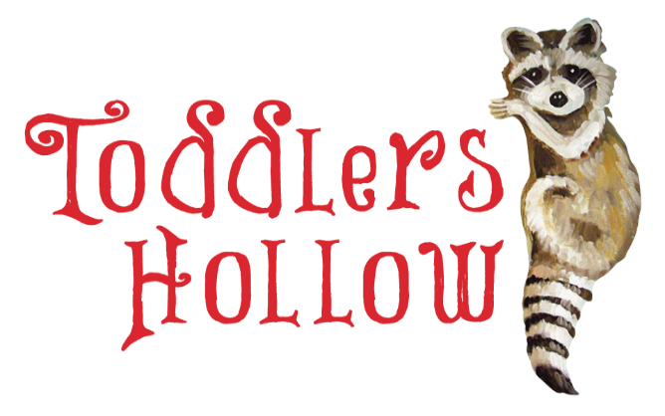
 |  | Monday
 | Stay & Spray

 | • Spray all touchable hard surfaces and props. Lifting props when necessary to spray all sides. - Peekaboo doors - Sensory patches on walls - Vinyl stairs - Railings - Nest disk - Log, inside and outside • Leave for 10 minutes to disinfect properly. • Restage props and wipe damp areas as needed. | Tuesday

 |  | Wednesday

 |  | Thursday
Scan QR code for schedule:

 |  | Friday

 |  | Saturday & Sunday
 |  | #NAME?

Pull & Swap
• Collect plush, soft props and costumes in laundry baskets (leave hard props staged for spray). - Plush animals - Costumes • Reset and stage clean props in respective areas. • Park cart full of dirty items in Beehive along rail to pit

PZ
PZ

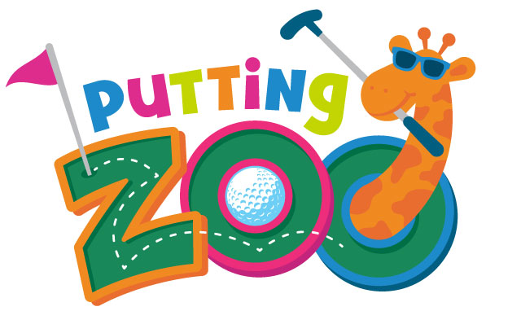
 | Stay & Spray | Monday
 | • Spray Elephant and her blanket

 |  | Tuesday

 |  | Wednesday

Scan QR code for schedule:
 |  | Thursday

 |  | Friday

 |  | Saturday & Sunday
 |  | #NAME?

Pull & Swap
• Collect all hard props - Clubs - Balls - Obstacles, Ramps, & Holes • Reset and stage clean props in respective areas. * Park cart full of dirty items in Beehive along rail to pit

HTT


HTT

 |  |  |  |  |  | Monday

 |  |  |  |  |  | Tuesday

 |  |  |  |  |  | Wednesday
 | Stay & Spray

 | • Spray all touchable hard surfaces and props. Lifting props when necessary to spray all sides. - Plastic props like canteens & kayaks, tents, benches - Enamel plates & bowls • Leave for 10 minutes to disinfect properly. • Restage props and wipe damp areas as needed. |  |  |  |  | Thursday
Scan QR code for schedule: |  |  |  |  |  | #NAME?

 |  |  |  |  |  | Friday

 |  |  |  |  |  | Saturday & Sunday
 |  |  |  |  |  | #NAME?

Pull & Swap
• Collect plush, soft props and costumes in laundry baskets (leave hard props staged for spray). - Plush animals - Ranger vests and costumes • Reset and stage clean props in respective areas. • Park cart full of dirty items in Beehive along rail to pit

 |  | Area | Dishwasher Pull list | Day | Dishwasher Tray
 |  | Hit the Trail | Blue dishes | Thursday | Pronged

SPL
Splash

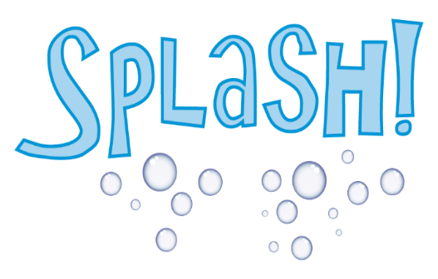
 | Stay & Spray |  |  |  |  | Monday
 | • Spray all touchable hard surfaces and props. Lifting props when necessary to spray all sides. - Plastic props like bottles and test tubes - Sea Shapes life vests, animals, props - All Seedlings props - LEAVE water table toys, they continually disinfect in chlorine • Let spray sit for 10 minutes to disinfect properly. • Restage props and wipe damp areas as needed.

 |  |  |  |  |  | Tuesday

 |  |  |  |  |  | Wednesday

Scan QR code for schedule: |  |  |  |  |  | Thursday
 |  |  |  |  |  | #NAME?

 |  |  |  |  |  | Friday
 |  |  |  |  |  | #NAME?

 |  |  |  |  |  | Saturday & Sunday

Pull & Swap
• Collect plush, soft props and costumes in laundry baskets (leave hard props staged for spray). - Water table aprons, plus costumes from UTW, sub, and ship - Plush sea cushions - Plush sea animals - Parrots - Provisions bags (Millit, flour, etc) • Reset and stage clean props in respective areas. • Park cart full of dirty items in Beehive along rail to pit

 |  | Area | Dishwasher Pull list | Day | Dishwasher Tray
 |  | Science Sub | Plastic bottles | Thursday | Pronged
 |  |  | Magnets | Thursday | Pronged
 |  |  | Tongs | Thursday | Pronged

KG+RPW
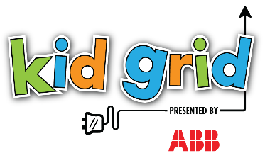
Kid Grid

 | Stay & Spray | Monday
 | • Spray all touchable hard surfaces and props. Lifting props when necessary to spray all sides. - Inside of climbers (KG & RPW) - Ranger Desk, open drawers, phone, book - Beaver Dam draping vines - RPW Slide and slide grab bar - KG Pucks, puck buckets • Let spray sit for 10 minutes to disinfect properly. • Restage props and wipe damp areas as needed.

 |  | Tuesday

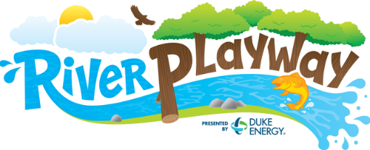
 |  | Wednesday
 |  | #NAME?

 |  | Thursday
Scan QR code for schedule: |  | #NAME?

 |  | Friday
 |  | #NAME?

 |  | Saturday & Sunday
 |  | #NAME?

Pull & Swap
• Collect soft props and costumes in laundry baskets (leave hard props staged for spray). - Kid Grid Vests - RPW Beaver Costumes - RPW Logs • Reset and stage clean props in respective areas. • Park cart full of dirty items in Beehive along rail to pit

P2P+STM
P2P & STEMosphere
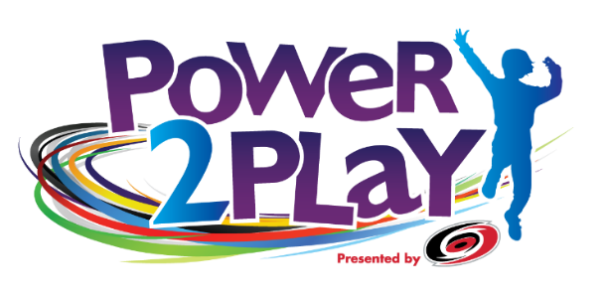
 | Stay & Spray |  |  |  |  | Monday
 | • Spray all touchable hard surfaces and props. Lifting props when necessary to spray all sides. • Don't forget: - Hockey sticks and pucks (spread on top of goal, spray all sides) - Tumble & Twirl pom-poms & tutus - Chair Lift ropes and seatbelts - All buttons - Spray, shuffle, spray food in bins • Let spray sit for 10 minutes to disinfect properly. • Restage props and wipe damp areas as needed.

 |  |  |  |  |  | Tuesday


 |  |  |  |  |  | Wednesday
 |  |  |  |  |  | #NAME?

 |  |  |  |  |  | Thursday
Scan QR code for schedule: |  |  |  |  |  | #NAME?

 |  |  |  |  |  | Friday
 |  |  |  |  |  | #NAME?

 |  |  |  |  |  | Saturday & Sunday
 |  |  |  |  |  | #NAME?

Pull & Swap
• Collect soft props and costumes in laundry baskets (leave hard props staged for spray). - P2P hockey jerseys and pads - P2P dirty sock bag from top half of sock dispenser - STEMosphere Aerial Antics scarves & parachutes • Load clean socks into bottom half of sock dispenser • Reset and stage clean props in respective areas • Park cart full of dirty items in Beehive along rail to pit

 |  | Area | Dishwasher Pull list | Day | Dishwasher Tray
 |  | Healthy Kitchen | plastic food
 |  |  | pots and pans
 |  |  | plates
 |  |  | cutting boards

IW+AL
Ideaworks & Art Loft | Ideaworks & Art Loft

 |  | Stay & Spray | Monday
 |  | • Spray all touchable hard surfaces and props. Lifting props when necessary to spray all sides. • Stir-and-spray bins of material and fabric. • Spray Manequins and stage • Restage props and wipe damp areas as needed.

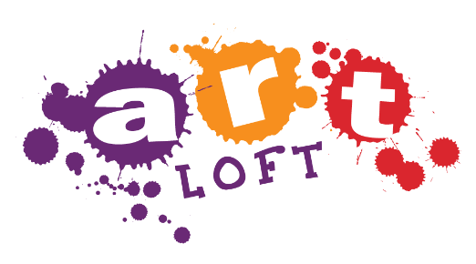
 |  |  | Tuesday

 |  |  | Wednesday
 |  |  | #NAME?

 |  |  | Thursday
Scan QR code for schedule: |  |  | #NAME?
 |  | Giant Lego Bricks
 |  | • There are multiple carts of bricks, extras are kept in Think Tank, and bricks are cleaned in Think Tank. • Bricks must be dumped, arranged on floor right-side-up, sprayed, allowed to sit 10 min, flipped upsidedown, sprayed, loaded back into cart, marked as "clean".
 |  |  | Friday
 |  |  | #NAME?

 |  |  | Saturday & Sunday
 |  |  | #NAME?

Pull & Swap
• Collect props to be cleaned behind the scenes - Aprons in mesh bag - Bricks in rolling bin and swap with clean bin from Think Tank - Safety Glasses in silver wire tray • Reset and stage clean props and paper in respective areas. • Follow instructions in Think Tank for sanitizing bricks. • Swap fabric & papers from Art loft & Studio Style with set from IW closet. • Reset and stage clean props. • Park cart full of dirty things along rail to pit in Beehive.

